Defect Log
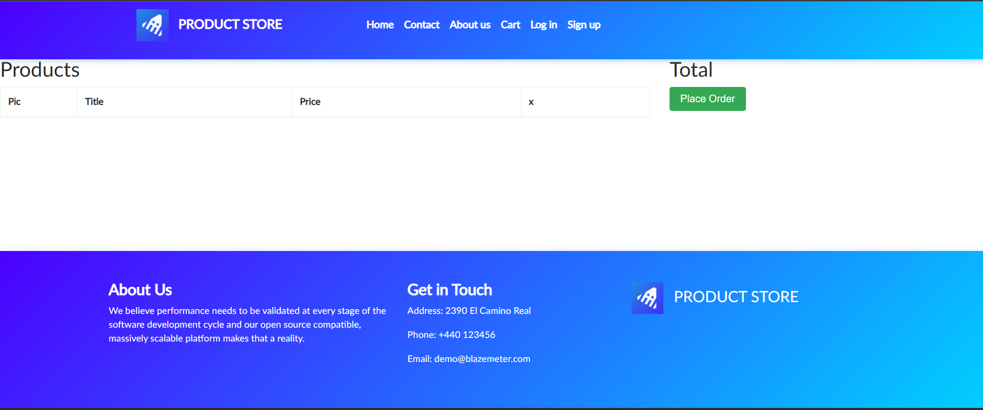
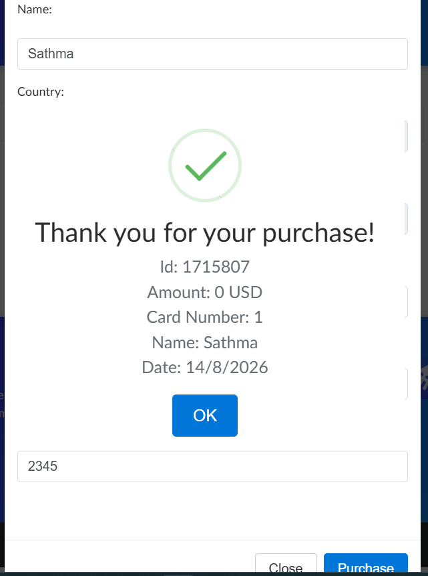
Bug ID | Module | Description | Steps to Reproduce | Expected Result | Actual Result | Severity | Priority | Screenshots
BUG-001 | Order | System allows order placement with invalid/incomplete details | 1. Open the Cart 2.Click Place Order 3.Enter invalid/incomplete details 4.Click Purchase | Order should not be placed and an error/validation message should be displayed | Order was placed successfully and confirmation was displayed | High | High


BUG-002 | Contact | System allows to submit contact form without required fields | 1. Click contact 2.Leave required fields empty 3.Click send message | Form should prevent submission and display validation message | “Thanks for the message!!” was displayed even though fields were empty | Medium | High

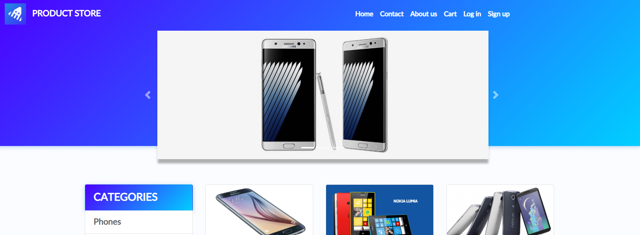
BUG-003 | UI Components | Cart page UI components are misaligned and have inconsistent spacing | 1. Open Cart 2. Observe Products section 3. Observe Total section and page layout | UI components should be properly aligned and consistently spaced | Products heading is partially cut off on the left, and some Cart elements have inconsistent alignment and spacing | Medium | Medium

